Sheet1
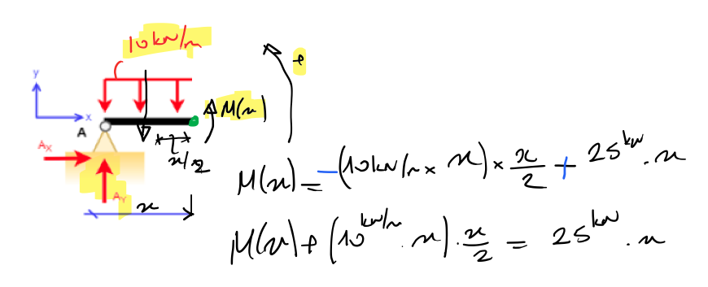
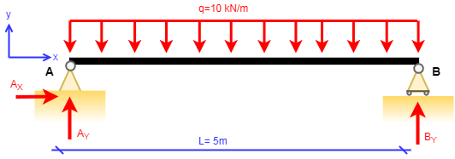
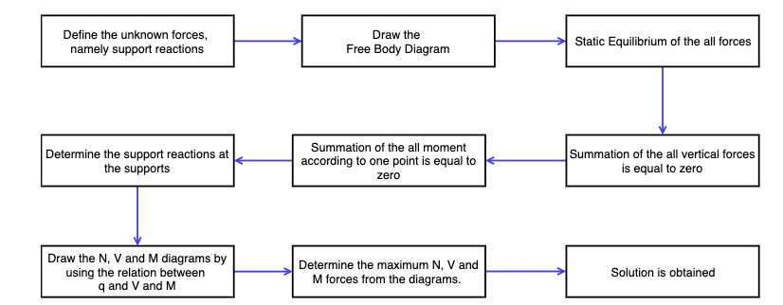

 |  |  | dx | 0.000000001
GIVEN |  |  |  | Internal forces
L = | 5 | m |  | x (m) | N(x) | V(x) | M (x)
q = | 10 | kN/m |  | 0 | 0 | 25 | 0
 |  |  |  | 0.000000001 | 0 | 24.99999999 | 2.4999999995E-08
Support Reactions: |  |  |  | 0.000000002 | 1 | 24.99999998 | 4.999999998E-08
Ax = | 0 | kN |  | 0.000000003 | 2 | 24.99999997 | 7.4999999955E-08
Ay = | 25 | kN |  | 0.000000004 | 3 | 24.99999996 | 9.999999992E-08
By = | 25 | kN |  | 0.000000005 | 4 | 24.99999995 | 1.2499999988E-07
 |  |  |  | 0.000000006 | 5 | 24.99999994 | 1.4999999982E-07
 |  |  |  | 0.000000007 | 6 | 24.99999993 | 1.7499999976E-07
 |  |  |  | 0.000000008 | 7 | 24.99999992 | 1.9999999968E-07
 |  |  |  | 0.000000009 | 8 | 24.99999991 | 2.249999996E-07
 |  |  |  | 0.00000001 | 9 | 24.9999999 | 2.499999995E-07

